manual testing bug report
Bug ID | Bug description | Priority | Screenshot
B_001 | the sign in form the number box has spinner controls | p1 | 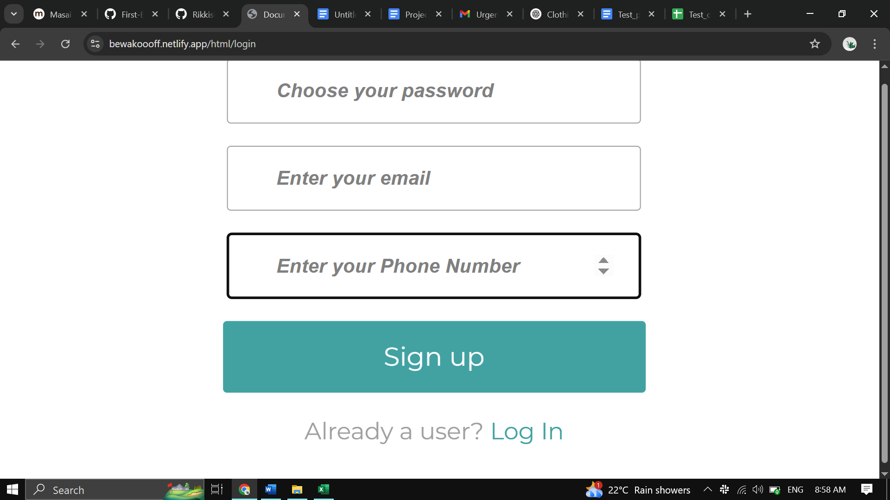
B_002 | the login page forget the previous login person value once the logout has clicked once the new user signed in with data if another person try to signin in the same device the previous person login data has erased because of this he needs to sigin in again | P0 | 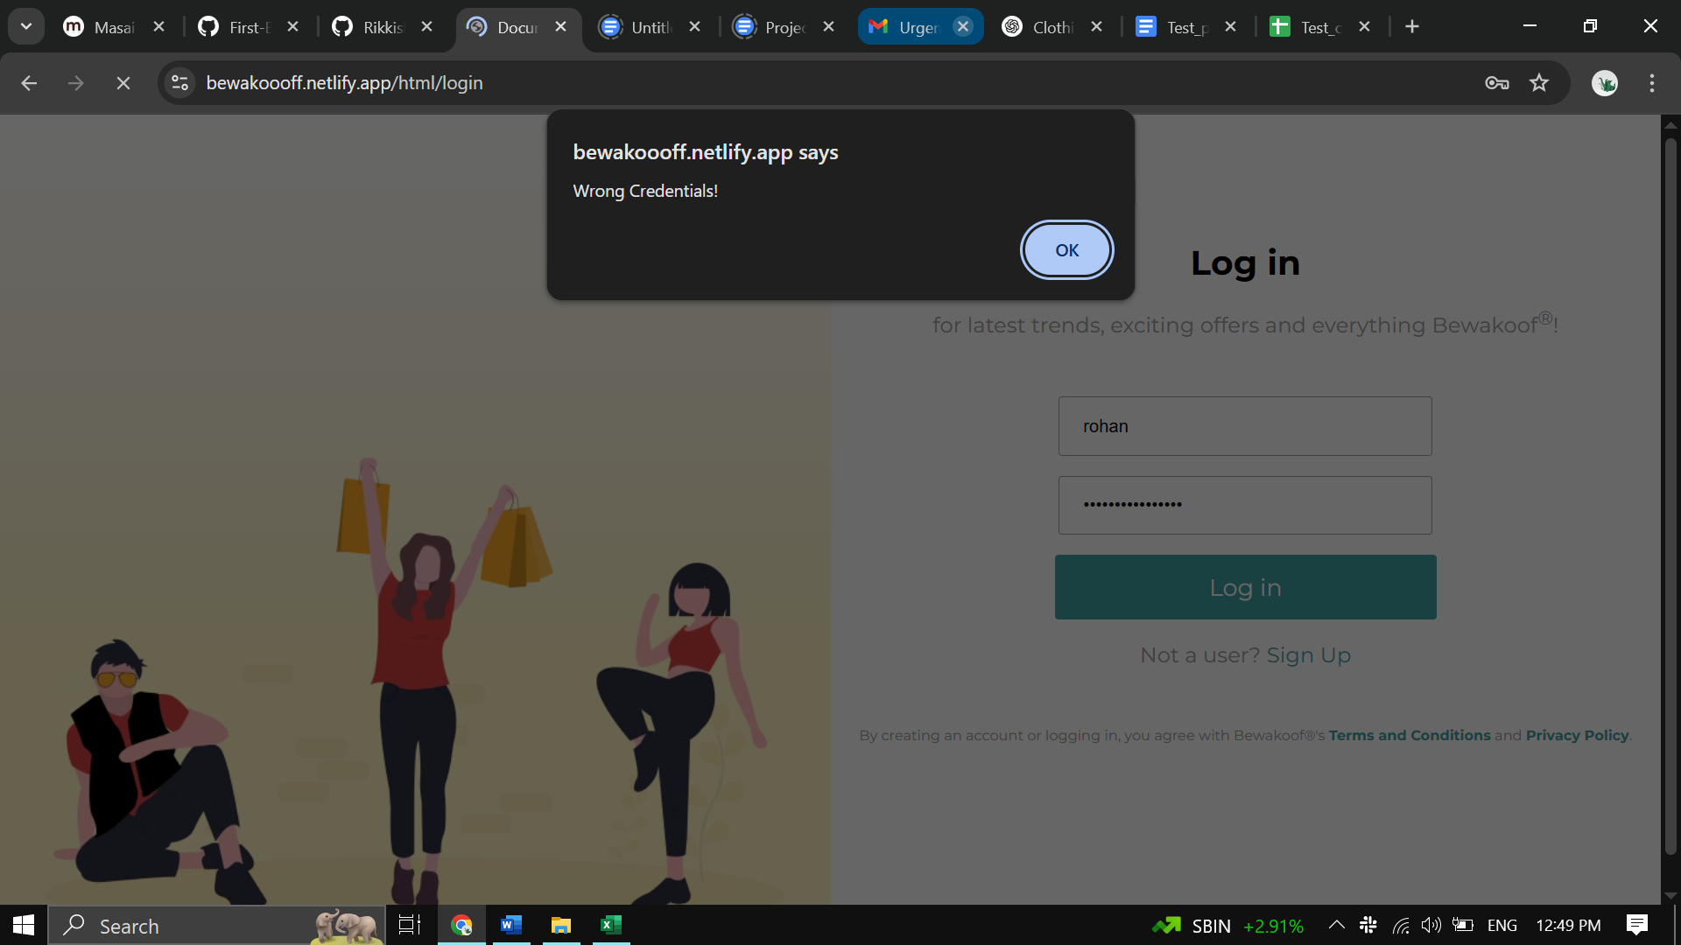
B_003 | the seach funtion is not clickable and not able to search items | p0 | 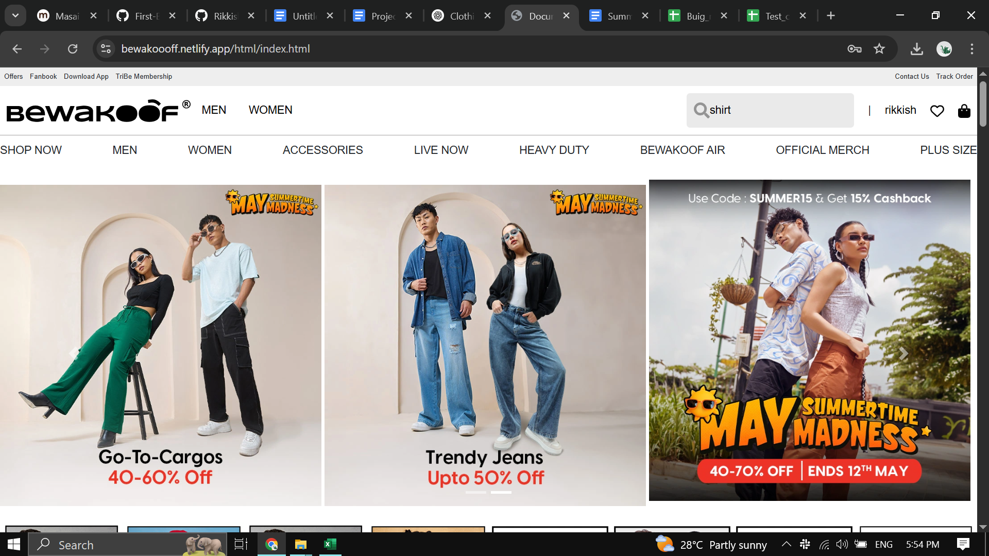
B_004 | to verify if the product has its details and filters and user size | p0 | 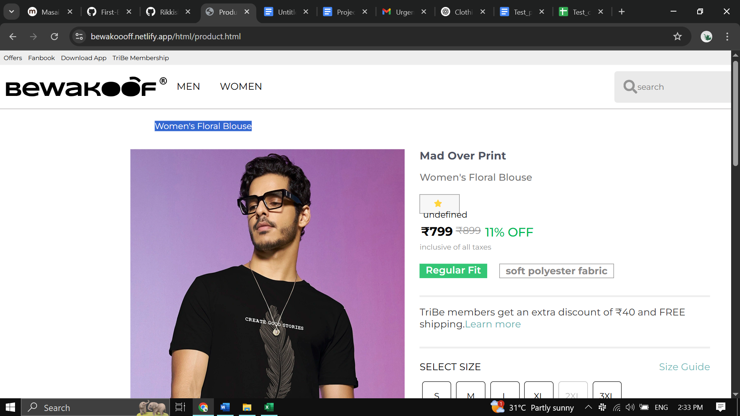
B_005 | to verify if the cart allow various product with different size | p0 | 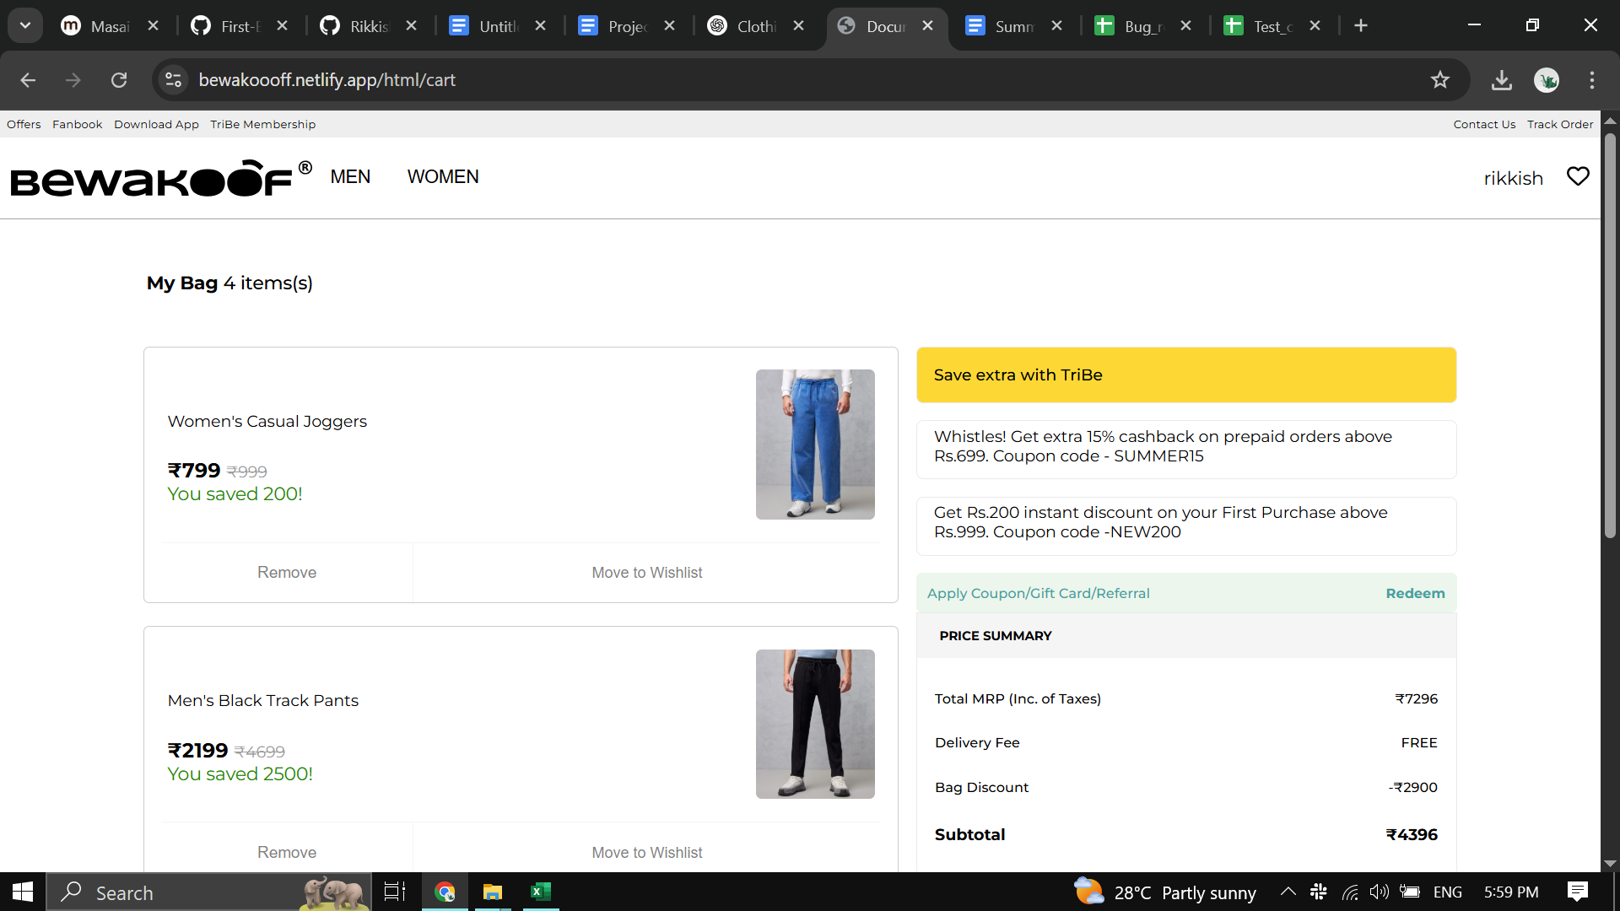
B_006 | in the checkout for the mobile and pincode text area box has spinner control which is useless | p2 | 